Admin



ADMIN

Asset Pic Folder | C:\Users\HP\Desktop\ASSET MANAGER\Staff Pics
Staff Folder | C:\Users\HP\Desktop\ASSET MANAGER\Staff Pics

Vendors |  | Locations | Types | Condition | Status | Jobsite/Area | Repair/Adj. Type | Search By
Fredders Supplies |  | 1st Floor | Supplies | Excellent | Available | Wendy's | Depreciation | Item #
IT Supply Center |  | 2nd Floor | Small Machine | Good | Checked Out | Arby's | Appreciation | Asset Name
Staples Store |  | 3rd Foor | Electronics | Fair | Broken | Carls Junior | Repair | Notes
 |  | 4th Floor | Furniture | Poor | In Repair | Taco Bell | Maintenance | Condition
 |  | Dining Hall | Computer | Broken |  |  | Cleaning Service
 |  | Cafetaria | Equipment
 |  | AUDITORIUM | Vehicle
 |  | Kitchen
 |  | STORES
 |  | transport
 |  | Danida Building

Asset Mgr
Refresh
Clear
GRA ACADEMY ASSET & TOOL MANAGER
Make Adjustments

New Asset
Save Asset
Delete Asset
 |  |  | ASSET & TOOL LIST
Asset ID | 40 |  | Search By | Asset Name
Asset Row | 30 |  | Filter By | Status |  | Location |  | General Info |  | Adjustments & Repairs |  |  |  |  |  |  | Adjustments 12-Month History
Next ID | 42 |  | Item # | Asset Name | Status | Return Due | Location |  |  |  |  |  |  |  |  |  | Month | Amount
Sel. Row | 29 | 7 | 1690247 | Bose Headset - Black | Available |  | 3rd Foor |  | Name | CEILING FUN |  | Barcode/Item # | GRA/VR/AC/COL/OE/496/22 | Asset Picture |  |  | Jan-24 | $-
Asset Valuation & Costing
Add Picture
Clear Picture
 |  | 9 | 1937965 | Hammon Laptop Stand | Broken |  | 1st Floor |  | Manufacturer |  |  | Model |  |  |  |  | Dec-23 | $-
 |  | 10 | 1468101 | Office Binder Set - 2" | Available |  | 1st Floor |  | Serial # |  |  | Type | Electronics |  |  |  | Nov-23 | $-
 |  | 11 | 3914644 | 10 Person Meeting Table | Available |  | 3rd Foor |  | Condition | Fair |  | Location | Dining Hall |  |  |  | Oct-23 | $-
Next. Adj. ID | 42 | 12 | 3578607 | Blue Yetti Microphone | Available | 2021-09-04 | 4th Floor |  | Status | Available |  | Last Adjust. |  |  |  |  | Sep-23 | $-
Sel. Adj. Row | 11 | 13 | 1849683 | Leather Office Chair | Available |  | 1st Floor |  | Notes | No Manufacturer and serial number provided. The model too was not provided |  |  |  | ceiling fun.jpg |  |  | Aug-23 | $-
 |  | 14 | 2922739 | Wooden 48" Desk | Checked Out |  | 2nd Floor |  |  |  |  |  |  |  |  |  | Jul-23 | $-
Check Out
Add Months | 0 | 15 | 1785340 | Misc. Office Supplies | Checked Out |  | 3rd Foor |  |  |  |  |  |  | Check Out | Return Due |  | Jun-23 | $-
Add Years | 0 | 18 | 1977561 | 500 Sheet Paper | Available |  | 2nd Floor |  |  |  |  |  |  |  |  |  | May-23 | $-
Next Adj. | 2024-01-30 | 19 | 1323287 | Acer Tower Computer | Available |  | 3rd Foor |  | Original Cost |  |  | Total App/Dep | $- | Checked Out By: |  |  | Apr-23 | $-
 |  | 20 | 2957849 | AT&T Phone System | Checked Out |  | 4th Floor |  | Current Value | $0.00 |  | Repairs/Adjst | $- | Jobsite/Area |  |  | Mar-23 | $-
Staff Row |  | 23 | 4189668 | Projection Screen | Available |  | 3rd Foor |  |  |  |  |  |  | Checked Out Details |  |  | Feb-23 | $-
Staff Pic |  | 24 | 3189649 | Projector 100A | Available |  | 4th Floor |  | Automated Item Value Adjustments |  |  |  |  |  | Name: | 0

Staff Email |  | 25 | 4109811 | Wifi Routerr | Available |  | 1st Floor |  | Set Automated Depreciation |  | every |  |  |  | Email:
Staff Phone |  | 27 | 1408803 | Tenso Android Tablet | Broken |  | 3rd Foor |  | asset every by |  |  |  | Next Adj.: 01/30/24 |  | Phone:
 |  | 28 | 3003421 | Sony Webcam 5G | In Repair |  | 4th Floor
 |  | 29 | 4598039 | Whiteboard 2m x 3m | Available |  | 1st Floor
ADJUSTMENTS - LAST 12 MONTHS
 |  | 30 | 54/06655/5556 | CEILING FUN | Available |  | Dining Hall
 |  | 31 | GRA/VR/AC/COL/OE/515/22 | Hp Envy 360 Convertible | Available |  | Cafetaria
 |  | 34 | GRA /03/4300/ | Printer | Available |  | AUDITORIUM
 |  | 35 | Gra/64743/3rtr2 | Blender | Available |  | Kitchen
 |  | 36 | gra/AC/02/OE/2023 | tant | Available |  | AUDITORIUM
 |  | 39 | GRA/VR/AC/COL/OE/497/22 | CEILING FUN | Available |  | Dining Hall
 |  | 40 | GRA/VR/AC/COL/OE/496/22 | CEILING FUN | Available |  | Dining Hall
 |  | 41 | GRA/VR/AC/COL/OE/498/22 | CEILING FUN | Available |  | Dining Hall
 |  | 47 | OF/521/22 | Student chair | Available |  | Danida Building
 |  | 48 | OF/522/22 | Student chair | Available |  | Danida Building
 |  | 49 | OF/557/22 | Student chair | Available |  | Danida Building
 |  | 42 | OF/533/22 | STUDENTS CHAIR | Available |  | Danida Building

 |  |  |  |  |  |  |  | 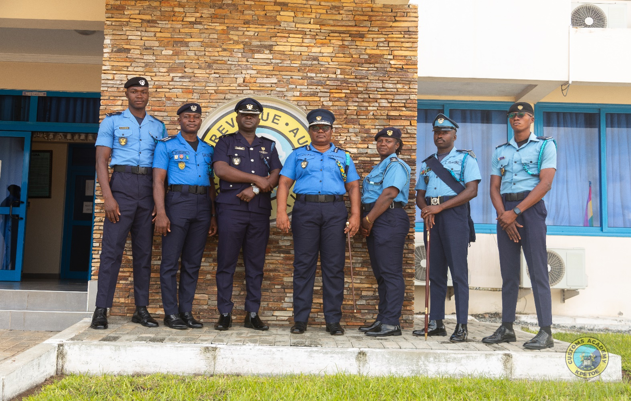 |  |  |  |  |  |  | 